Analysis
 |  |  | GLOBAL SHOE MANUFACTURING LIMITED

Sum of Sales |  | Sum of Profit |  | Sum of Units Sold | Average of Profit Margin
118726350 |  | 16893702 |  | 1125806 | 0.2790

Which Product Generates the Highest Total Sales?
Product | Sum of Sales
Sneakers | 13815308
Heels | 15390802
Boots | 17747116
Sandals | 33011144
Dress Shoes | 38761980
Grand Total | 118726350

Which Product Generates the Highest Total Profit?
Product | Sum of Profit
Sneakers | 1826805
Heels | 2114755
Boots | 2814104
Sandals | 4797438
Dress Shoes | 5340600
Grand Total | 16893702

Which Product Sells the Most Units?
Product | Sum of Units Sold
Sneakers | 146846
Heels | 154198
Boots | 155315
Dress Shoes | 331208
Sandals | 338240
Grand Total | 1125806

Which Country Generates the Most Sales?
Country | Sum of Sales
Mexico | 20949352
Germany | 23505341
France | 24354172
Canada | 24887655
United States of America | 25029830
Grand Total | 118726350

Which Country Generates the Most Profit?
Country | Sum of Profit
Mexico | 2907523
United States of America | 2995541
Canada | 3529229
Germany | 3680389
France | 3781021
Grand Total | 16893702

Which Segment Generates the Highest Revenue?
Segment | Sum of Sales
Channel Partners | 1800594
Midmarket | 2381883
Enterprise | 19611694
Small Business | 42427919
Government | 52504261
Grand Total | 118726350

Which Segment Generates the Highest Profit?
Segment | Sum of Profit
Enterprise | -614546
Midmarket | 660103
Channel Partners | 1316803
Small Business | 4143169
Government | 11388173
Grand Total | 16893702

How Does Discount Bands Affect Profitability?
Discount Band | Average of Profit
High | 13832
Medium | 23056
None | 32763
Low | 38680
Grand Total | 24134

How Does Sales Change Monthly?
Date | Sum of Sales
Jan | 6607762
Feb | 7297531
Mar | 5586860
Apr | 6964775
May | 6210211
Jun | 9518894
Jul | 8102920
Aug | 5864622
Sep | 10882697
Oct | 21671431
Nov | 12651418
Dec | 17367229
Grand Total | 118726350

How Does Profit Change Monthly?
Date | Sum of Profit
Jan | 814029
Feb | 1148547
Mar | 669867
Apr | 929985
May | 828640
Jun | 1473754
Jul | 923866
Aug | 791066
Sep | 1786735
Oct | 3439781
Nov | 1370103
Dec | 2717330
Grand Total | 16893702

Dashboard
Sum of Sales | Sum of Profit | Sum of Units Sold | Average of Profit Margin
118726350 | 16893702 | 1125806 | 0.27900956141
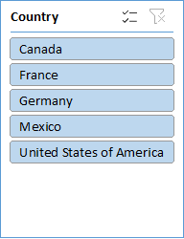
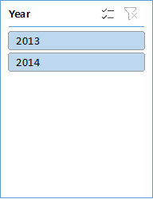
Which Product Generates the Highest Total Profit?
 | Total
Sneakers | 1826805
Heels | 2114755
Boots | 2814104
Sandals | 4797438
Dress Shoes | 5340600
Which Product Generates the Highest Total Sales?
 | Total
Sneakers | 13815308
Heels | 15390802
Boots | 17747116
Sandals | 33011144
Dress Shoes | 38761980
Which Product Sells the Most Units?
 | Total
Sneakers | 146846
Heels | 154198
Boots | 155315
Dress Shoes | 331208
Sandals | 338240

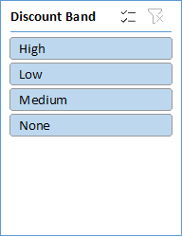

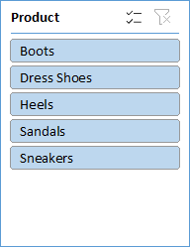
Which Country Generates the Most Sales?
 | Total
Mexico | 20949352
Germany | 23505341
France | 24354172
Canada | 24887655
United States of America | 25029830
Which Country Generates the Most Profit?
 | Total
Mexico | 2907523
United States of America | 2995541
Canada | 3529229
Germany | 3680389
France | 3781021
Which Segment Generates the Highest Revenue?
 | Total
Channel Partners | 1800594
Midmarket | 2381883
Enterprise | 19611694
Small Business | 42427919
Government | 52504261

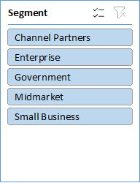

Which Segment Generates the Highest Profit?
 | Total
Enterprise | -614546
Midmarket | 660103
Channel Partners | 1316803
Small Business | 4143169
Government | 11388173
How Does Discount Bands Affect Profitability?
 | Total
High | 13832
Medium | 23056
None | 32763
Low | 38680
How Does Sales Change Monthly?
 | Total
Jan | 6607762
Feb | 7297531
Mar | 5586860
Apr | 6964775
May | 6210211
Jun | 9518894
Jul | 8102920
Aug | 5864622
Sep | 10882697
Oct | 21671431
Nov | 12651418
Dec | 17367229

How Does Profit Change Monthly?
 | Total
Jan | 814029
Feb | 1148547
Mar | 669867
Apr | 929985
May | 828640
Jun | 1473754
Jul | 923866
Aug | 791066
Sep | 1786735
Oct | 3439781
Nov | 1370103
Dec | 2717330

Dashboard2

GLOBAL SHOE MANUFACTURING LIMITED

Total Sales
Total Profit
Profit Margin
Total Units Sold
118726350
16893702
0.279009561
1125806

Which Product Generates the Highest Total Sales?
 | Total
Sneakers | 13815308
Heels | 15390802
Boots | 17747116
Sandals | 33011144
Dress Shoes | 38761980
Which Product Sells the Most Units?
 | Total
Sneakers | 146846
Heels | 154198
Boots | 155315
Dress Shoes | 331208
Sandals | 338240
Which Country Generates the Most Profit?
 | Total
Mexico | 2907523
United States of America | 2995541
Canada | 3529229
Germany | 3680389
France | 3781021

Which Segment Generates the Highest Revenue?
 | Total
Channel Partners | 1800594
Midmarket | 2381883
Enterprise | 19611694
Small Business | 42427919
Government | 52504261
How Does Discount Bands Affect Profitability?
 | Total
High | 13832
Medium | 23056
None | 32763
Low | 38680
How Does Sales Change Monthly?
 | Total
Jan | 6607762
Feb | 7297531
Mar | 5586860
Apr | 6964775
May | 6210211
Jun | 9518894
Jul | 8102920
Aug | 5864622
Sep | 10882697
Oct | 21671431
Nov | 12651418
Dec | 17367229

